Instructions
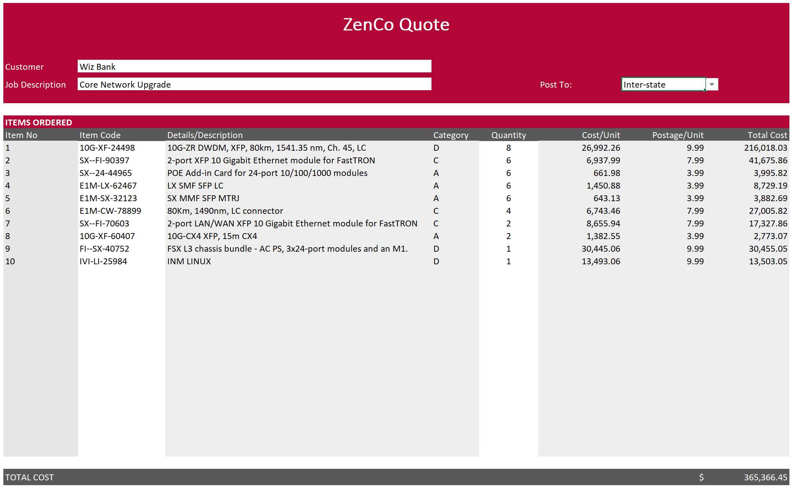

 |  | Excel Skills for Data Analytics and Visualization
 |  | Course 1 — Excel Fundamentals for Data Analysis

 |  | Week 5 Practice Challenge

Instructions
The following instructions are to be carried out in the Inventory sheet. The inventory shows how many of each item we have in stock and how much they cost.
When stock level falls below the minimum (shown in P5) we need to re-order. Sometimes the supplier does not have stock and so we indicate it is on backorder, items already
on backorder to not need to be ordered again.

1) | In I4 use an IF function to determine if the Num in Stock is below the minimum stock level. If it is put a "Y" otherwise leave the cell blank.

2) | In J4 create a calculation to check if that item is below minimum stock level and NOT on backorder. If both are true put a "Y" otherwise leave the cell blank. |  | Hint

3) | In H4 calculate the retail price. If it is a Premium item (has Y in the Premium column) add 25% to the cost price, otherwise add 18% to the cost price. |  | Hint

4a) | The reorder quantities table in N9:O12 indicates how many items we need to reorder for each category. In K4 use a nested IF to calculate the reorder quantity. |  | Hint
b) | In L4 solve the same problem but using an IF and a VLOOKUP/XLOOKUP. |  | Hint

5a) | Name the range N16:N19 Category
b) | Name the range O15:R15 Post_to
c) | Name the range O16:R19 Postage

The rest of the instructions are to be carried out in the Quote sheet. This sheet shows a list of items the customer wishes to purchase and how many of each. We need to
complete the rest of the information by looking up the appropriate values in the Inventory sheet.

6) | In C13 we want to automatically number rows that have items. Check if D13>0, if it is add 1 to C12, otherwise leave blank. Copy the formula down to C36.

7a) | In E12 use a VLOOKUP to look up the item description for the Item code in the Inventory table. Copy down to E36.
b) | Where there are no item codes you will get an N/A. Add an IFERROR to the formula to leave the cell blank if an error occurs.

8a) | In F12 use a VLOOKUP to look up the category for the Item code in the Inventory table. Copy down to F36.
b) | Add an IFERROR to the formula to leave the cell blank if an error occurs.

9) | In H12 use a VLOOKUP/XLOOKUP to get the retail price for that item from the inventory table, again adjusting the formula to show "" instead of N/A. Copy to H36.

10a) | In I12 use an INDEX function to get the Postage for Category D in NSW, use the named range Postage for the array and type 4 for the row and 2 for the column.
b) | In I12 modify the formula to use a MATCH to match the Category in F12 into the named range Category to calculate the row.
b) | In I12 modify the formula again to use a second MATCH to match the destination in cell I7 into the named range Post_to to calculate the column.
c) | Copy the formula down and change the destination in I7 from NSW to Interstate.

The finished Quote should look something like this:

